11BINS
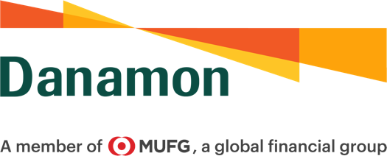

 | LEMBAR TAGIHAN
 | BILLING STATEMENT

No. | C130/SS-BS/0124
 | Kepada Yth, |  | Statement | Period | Payment Due Date
 | To, |  | Date
 | PT Berdikari Insurance Jl. Medan Merdeka Barat No. 1 Gambir, Jakarta Pusat |  | 9-Jan-24 | Dec-23 | 22-Jan-24

 |  |  | Payment Method
 |  |  | Didebit dari rekening di bawah ini:
 |  |  | Debit from the account below :

 |  |  | Acc. Name: PT Berdikari Insurance
 |  |  | Acc. Number: 3527237659
 |  |  | Bank Danamon Indonesia

Bersama ini kami sampaikan tagihan Jasa Safe Keeping untuk PT Berdikari Insurance sebagai berikut:
Please find the Safekeeping Fee info PT Berdikari Insurance as follows:

Jenis Transaksi |  | Nilai Frekuensi | Tarif | Nilai Tagihan
Type of Transaction |  | Value Frequency | Fee | Amount Due

1 | Transaction Handling | 0 | Rp50,000 | Rp-

2 | Safekeeping Fee | Rp11,171,858,314.00 | 0.025% | Rp239,954
 |  |  | pa
 | Subtotal (1-2) |  |  | Rp239,954
3 | VAT |  | 11.00% | Rp26,395
Total |  |  |  | Rp266,349

Untuk pertanyaan lebih lanjut, silahkan hubungi Custody Operations, phone (021) 80645000 ext 1070
For Further information, please contact The Custody Operations, phone (021) 80645000 ext 1070

Hormat kami,
Sincerely Yours,

Zulkarnain |  | Haryo Krisna Aji
Fund & Custody Compliance Head |  | Custody Support Team Leader

 | PT Bank Danamon Indonesia, Tbk

